pH
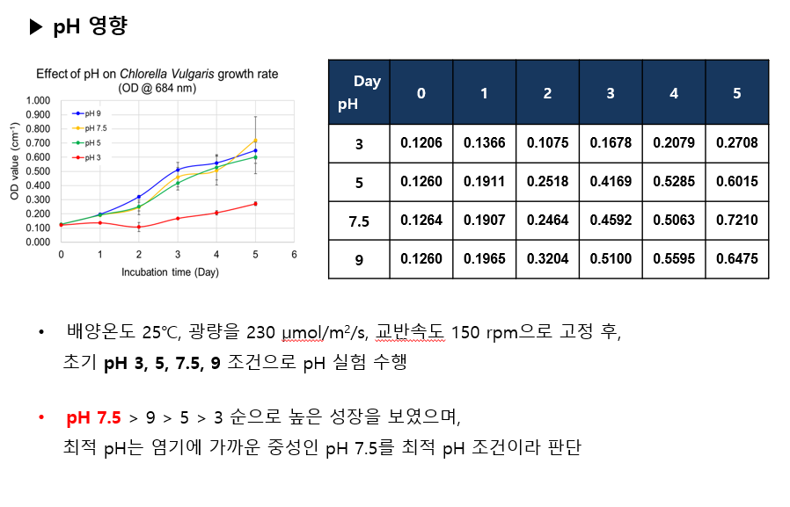

온도
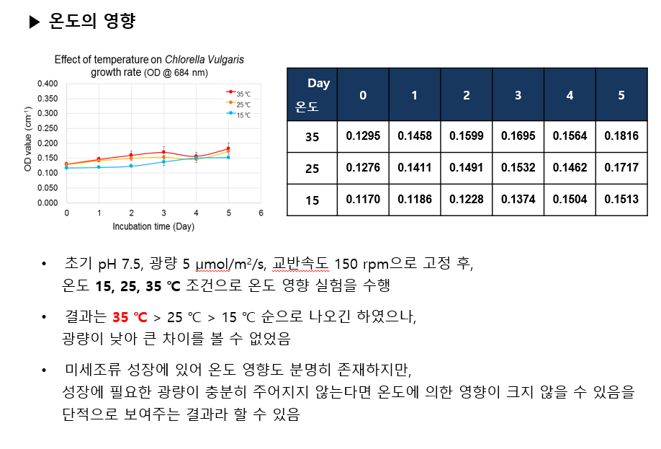

파장
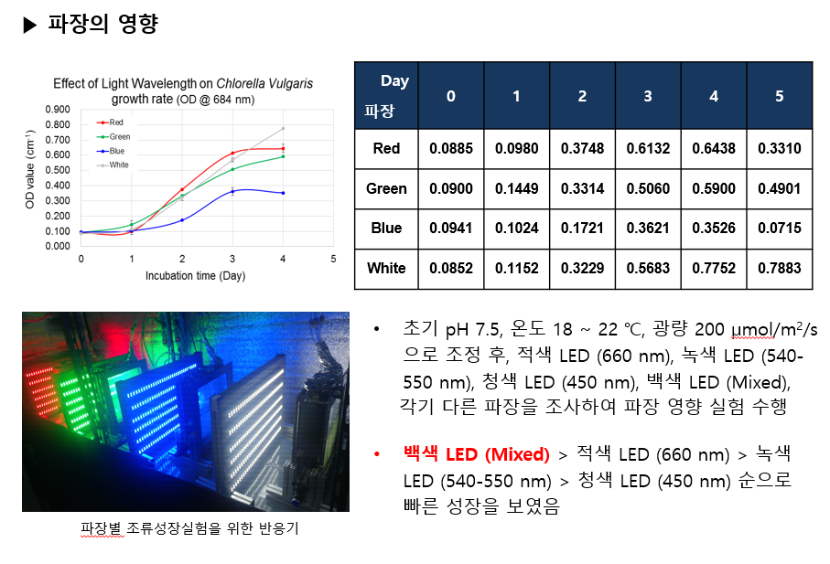

광량
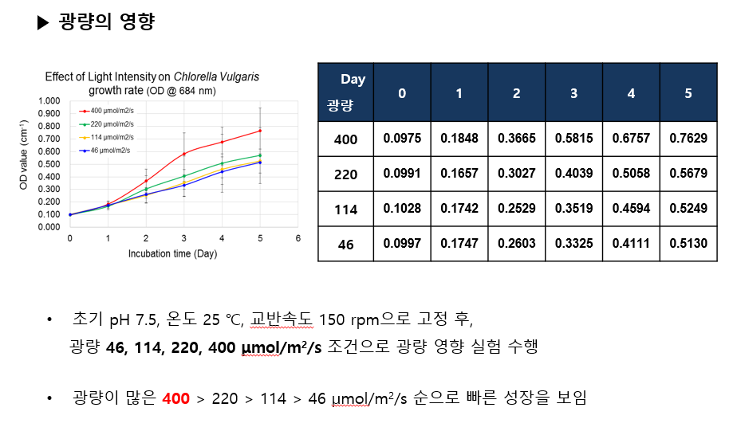

1st Expt.
 |  |  | Effect of N | Effect of P
 | 4:1 | 8:1 | 16:1 | 35:1 | 70:1 | 140:1
0 | 0.1341 | 0.1362 | 0.1320 | 0.1376 | 0.1268 | 0.1243
1 | 0.1672 | 0.1716 | 0.1646 | 0.1696 | 0.1618 | 0.1517
2 | 0.1992 | 0.2127 | 0.2070 | 0.2056 | 0.1946 | 0.1739
3 | 0.2373 | 0.2557 | 0.2522 | 0.2582 | 0.2337 | 0.2105
4 | 0.2881 | 0.3009 | 0.2900 | 0.3302 | 0.2886 | 0.2338
5 | 0.3158 | 0.3407 | 0.3173 | 0.3538 | 0.3296 | 0.2591
6 | 0.3722 | 0.3744 | 0.3693 | 0.3928 | 0.3781 | 0.2765
7 | 0.4170 | 0.4216 | 0.4129 | 0.4414 | 0.4136 | 0.3039
8 | 0.4477 | 0.4573 | 0.4443 | 0.4804 | 0.4398 | 0.3338
9 | 0.5036 | 0.5146 | 0.4828 | 0.5227 | 0.4821 | 0.3521
10 | 0.5533 | 0.5530 | 0.5239 | 0.6282 | 0.5712 | 0.3898
11 | 0.5611 | 0.5581 | 0.5384 | 0.5584 | 0.5628 | 0.4025
12 | 0.5793 | 0.5901 | 0.5588 | 0.5786 | 0.6111 | 0.4202
13 | 0.6013 | 0.6135 | 0.5758 | 0.6016 | 0.6307 | 0.4349
 | 35:0.1 | 35:0.5 | 35:1 | 35:2 | 35:8 | 35:16
0 | 0.1200 | 0.1318 | 0.1317 | 0.1351 | 0.1303 | 0.1306
1 | 0.1607 | 0.1692 | 0.1686 | 0.1631 | 0.1637 | 0.1614
2 | 0.1948 | 0.2185 | 0.2221 | 0.1914 | 0.2112 | 0.2020
3 | 0.2294 | 0.2794 | 0.2768 | 0.2181 | 0.2495 | 0.2377
4 | 0.2804 | 0.3470 | 0.3431 | 0.2539 | 0.3263 | 0.2898
5 | 0.3284 | 0.3819 | 0.3766 | 0.2830 | 0.3761 | 0.3337
6 | 0.3724 | 0.4459 | 0.4186 | 0.3309 | 0.4330 | 0.3923
7 | 0.4129 | 0.5045 | 0.4614 | 0.3681 | 0.4733 | 0.4431
8 | 0.4307 | 0.5379 | 0.4955 | 0.3971 | 0.5150 | 0.4944
9 | 0.4783 | 0.5926 | 0.5520 | 0.4482 | 0.5550 | 0.5782
10 | 0.5101 | 0.6370 | 0.5843 | 0.4723 | 0.6020 | 0.6852
11 | 0.5367 | 0.6633 | 0.6145 | 0.4928 | 0.6386 | 0.7166
12 | 0.5727 | 0.7160 | 0.6405 | 0.5139 | 0.6771 | 0.7419
13 | 0.5981 | 0.7658 | 0.6733 | 0.5320 | 0.7171 | 0.7915
...
35:1 | 70:1 | 140:1
...
0.0320 | 0.0350 | 0.0274
0.0340 | 0.0339 | 0.0248
0.0402 | 0.0356 | 0.0288
0.0481 | 0.0405 | 0.0274
0.0432 | 0.0406 | 0.0270
0.0425 | 0.0419 | 0.0254
0.0434 | 0.0410 | 0.0257
0.0428 | 0.0391 | 0.0262
0.0428 | 0.0395 | 0.0253
...
0.0491 | 0.0444 | 0.0266
0.0383 | 0.0396 | 0.0253
0.0367 | 0.0404 | 0.0247
0.0357 | 0.0388 | 0.0239
...
35:2 | 35:8 | 35:16
...
0.0280 | 0.0333 | 0.0308
0.0282 | 0.0404 | 0.0357
0.0277 | 0.0397 | 0.0357
0.0297 | 0.0490 | 0.0398
0.0296 | 0.0492 | 0.0406
0.0326 | 0.0505 | 0.0436
0.0333 | 0.0490 | 0.0446
0.0328 | 0.0481 | 0.0455 | * Green Incubator (20 oC) NO Temp. maintain | * Green Incubator (20 oC) NO Temp. maintain
0.0348 | 0.0472 | 0.0497
 |  |  | Effect of BG-11
 | 10% | 25% | 50% | 100%
0 | 0.1218 | 0.1238 | 0.1256 | 0.1269
1 | 0.1509 | 0.1718 | 0.1579 | 0.1700
2 | 0.2106 | 0.2387 | 0.2956 | 0.2646
3 | 0.3614 | 0.3597 | 0.3443 | 0.3540
4 | 0.4109 | 0.4390 | 0.6540 | 0.4127
5 | 0.5251 | 0.4950 | 1.1432 | 0.5620
6 | 0.5728 | 0.5358 | 1.7540
7 | 0.6172 | 0.5938 | 2.5436 | 0.7380
8 | 0.6915 | 0.6725 | 2.9000 | 0.9522
9 | 0.7601 | 0.7964 | 3.2000 | 1.6000
10 | 0.8441 | 0.9055 | 3.8000 | 2.0000
11 | 1.0299 | 1.0317 | 4.2000 | 2.3400
13 | 1.2120 | 1.1340 | 4.3000 | 2.7600
0.0337 | 0.0472 | 0.0555
0.0325 | 0.0462 | 0.0533
0.0316 | 0.0456 | 0.0509
0.0305 | 0.0451 | 0.0508
...
 |  |  | * White Incubator (25 oC) Temp. maintain

2nd Expt.
 |  |  | Effect of N | Effect of P
 | 4:1 | 8:1 | 16:1 | 35:1 | 70:1 | 140:1
0 | 0.1281 | 0.1242 | 0.1227 | 0.1236 | 0.1239 | 0.1221
1 | 0.1534 | 0.1628 | 0.1602 | 0.1609 | 0.1585 | 0.1480
2 | 0.2025 | 0.2219 | 0.2191 | 0.2014 | 0.2030 | 0.1717
3 | 0.2822 | 0.3922 | 0.3077 | 0.2511 | 0.2976 | 0.2194
4 | 0.3714 | 0.6872 | 0.4861 | 0.3672 | 0.3850 | 0.3380
5 | 0.5469 | 0.9007 | 0.7188 | 0.5056 | 0.5124 | 0.4915
6 | 0.7270 | 1.2197 | 1.0099 | 0.6743 | 0.6519 | 0.6306
7 | 0.8069 | 1.5675 | 1.3133 | 0.8610 | 0.7933 | 0.7282
8 | 1.0605 | 1.5368 | 1.3455 | 0.9844 | 0.9953 | 0.8320
9 | 1.3511 | 1.8264 | 1.5767 | 1.0489 | 1.0705 | 0.8957
10 | 1.6320 | 2.2957 | 1.9292 | 1.3003 | 1.2197 | 1.0828
12 | 2.2245 | 3.1359 | 2.6473 | 1.4532 | 1.7187 | 1.3443
 | 0.029167824 | 0.029172454 | 1.750694444 | 1.751388889 | 1.755555556 | 1.761111111
0 | 0.1254 | 0.1253 | 0.1282 | 0.1252 | 0.1299 | 0.1295
1 | 0.1243 | 0.1381 | 0.1592 | 0.1627 | 0.1562 | 0.1588
2 | 0.1633 | 0.1934 | 0.2092 | 0.2245 | 0.2125 | 0.2132
3 | 0.2562 | 0.2448 | 0.3005 | 0.2721 | 0.3000 | 0.2988
4 | 0.4700 | 0.3472 | 0.4491 | 0.4061 | 0.4643 | 0.3993
5 | 0.6556 | 0.4971 | 0.6339 | 0.6499 | 0.6837 | 0.5648
6 | 0.8913 | 0.6643 | 0.8160 | 0.8229 | 0.8903 | 0.7454
7 | 1.1579 | 0.7815 | 0.9967 | 0.9239 | 1.0216 | 0.8853
8 | 1.3203 | 0.8893 | 1.2881 | 1.0112 | 1.1776 | 0.9535
9 | 1.4865 | 1.0963 | 1.6573 | 1.0941 | 1.2840 | 1.0243
10 | 1.5351 | 1.1973 | 1.8851 | 1.1464 | 1.5147 | 1.1100
12 | 1.6645 | 1.6600 | 2.4443 | 1.3345 | 1.9205 | 1.3751
...
35:1 | 70:1 | 140:1
...
0.0374 | 0.0346 | 0.0259
0.0389 | 0.0396 | 0.0248
0.0425 | 0.0579 | 0.0324
0.0609 | 0.0653 | 0.0540
0.0764 | 0.0777 | 0.0739
...
0.0918 | 0.0880 | 0.0848
...
0.1053 | 0.0956 | 0.0866
...
0.1076 | 0.1089 | 0.0887
...
0.1028 | 0.1052 | 0.0860
...
0.1177 | 0.1096 | 0.0961
...
0.1108 | 0.1329 | 0.1019
...
1.7513888889 | 1.7555555556 | 1.7611111111
...
0.0376 | 0.0263 | 0.0292
0.0497 | 0.0413 | 0.0418
0.0490 | 0.0567 | 0.0564
0.0702 | 0.0836 | 0.0674
0.1050 | 0.1108 | 0.0870
 |  |  | * Green Incubator (25 oC) After 2 days, Temp. maintain | * Green Incubator (25 oC) After 2 days, Temp. maintain
0.1163 | 0.1267 | 0.1026
 |  |  | Effect of BG-11
 | 10% | 25% | 50% | 100%
0 | 0.1097 | 0.1023 | 0.1046 | 0.1040
1 | 0.1665 | 0.1297 | 0.1507 | 0.1562
2 | 0.2652 | 0.2010 | 0.2746 | 0.2236
3 | 0.3685 | 0.2728 | 0.3491 | 0.2584
4 | 0.4398 | 0.4099 | 0.4584 | 0.2907
5 | 0.5102 | 0.4849 | 0.5012 | 0.3834
6 | 0.6940 | 0.5524 | 0.5292 | 0.4453
7 | 0.8628 | 0.5639 | 0.5656 | 0.5036
8 | 0.9922 | 0.6138 | 0.7116 | 0.5424
10 | 1.1477 | 0.9432 | 0.9408 | 0.5809
0.1141 | 0.1274 | 0.1080
...
 |  |  | Effect of N | Effect of P
0.1108 | 0.1310 | 0.1030
...
 |  |  | Effect of N | Effect of P
0.1077 | 0.1282 | 0.0994
...
 |  |  | Effect of N | Effect of P
0.1021 | 0.1385 | 0.0980
...
 |  |  | Effect of N | Effect of P
0.1008 | 0.1492 | 0.1038
...
 |  |  | * White Incubator (25 oC) Temp. maintain

3rd Expt.
 |  |  | low P | high P
 | 4:1 | 8:1 | 16:1 | 42:1 | 70:1 | 140:1
0 | 0.1144 | 0.1126 | 0.1140 | 0.1082 | 0.1165 | 0.1097
1 | 0.2115 | 0.1971 | 0.1832 | 0.2038 | 0.1962 | 0.1559
2 | 0.2967 | 0.3291 | 0.3705 | 0.3324 | 0.2925 | 0.2301
3 | 0.3684 | 0.4135 | 0.4397 | 0.4880 | 0.3194 | 0.2928
4 | 0.5349 | 0.5292 | 0.6614 | 0.6191 | 0.3616 | 0.3702
5 | 0.6034 | 0.5644 | 0.6550 | 0.8089 | 0.5641 | 0.4774
6 | 0.6193 | 0.5763 | 0.8370 | 0.9056 | 0.6472 | 0.5288
7 | 0.7568 | 0.5739 | 0.9675 | 1.1098 | 0.6890 | 0.5861
8 | 0.9342 | 0.7563 | 1.2567 | 1.5153 | 0.6989 | 0.6489
10 | 1.1627 | 1.0577 | 1.7968 | 2.4340 | 0.7424 | 0.7375
 | 0.0000 | 0.0000 | 0.0000 | 0.0000 | 0.0000 | 0.0000
 | 0.0000 | 0.0000 | 0.0000 | 0.0000 | 0.0000 | 0.0000
 | 4:16 | 8:16 | 16:16 | 35:16 | 70:16 | 140:16
0 | 0.1132 | 0.1092 | 0.1099 | 0.1124 | 0.1130 | 0.1096
1 | 0.1718 | 0.1756 | 0.2066 | 0.1821 | 0.1925 | 0.1780
2 | 0.2700 | 0.2637 | 0.3084 | 0.2427 | 0.3008 | 0.2396
3 | 0.3567 | 0.3195 | 0.3746 | 0.2975 | 0.3457 | 0.2748
4 | 0.4497 | 0.3664 | 0.5413 | 0.3589 | 0.4424 | 0.3637
5 | 0.5364 | 0.4612 | 0.7455 | 0.5454 | 0.5172 | 0.4755
6 | 0.6024 | 0.5312 | 0.8042 | 0.5992 | 0.6257 | 0.6139
7 | 0.7379 | 0.6829 | 0.9824 | 0.6900 | 0.6755 | 0.7032
8 | 0.8344 | 0.8507 | 1.0765 | 0.7199 | 0.7169 | 0.8188
10 | 0.9249 | 0.9423 | 1.2771 | 0.8107 | 0.8583 | 1.0231
 | 0.0000 | 0.0000 | 0.0000 | 0.0000 | 0.0000 | 0.0000
 | 0.0000 | 0.0000 | 0.0000 | 0.0000 | 0.0000 | 0.0000
...
42:1 | 70:1 | 140:1
...
0.0956 | 0.0796 | 0.0463
0.1121 | 0.0880 | 0.0602
0.1266 | 0.0676 | 0.0611
0.1277 | 0.0613 | 0.0651
0.1401 | 0.0895 | 0.0735
0.1329 | 0.0884 | 0.0699
...
0.1431 | 0.0818 | 0.0681
...
0.1759 | 0.0728 | 0.0674
...
0.2326 | 0.0626 | 0.0628
#DIV/0! | #DIV/0! | #DIV/0!
#DIV/0! | #DIV/0! | #DIV/0!
...
35:16 | 70:16 | 140:16
...
0.0697 | 0.0795 | 0.0684
0.0651 | 0.0939 | 0.0650
0.0617 | 0.0776 | 0.0551
0.0616 | 0.0823 | 0.0635
0.0866 | 0.0808 | 0.0732
0.0811 | 0.0855 | 0.0841
...
0.0825 | 0.0804 | 0.0848 | * White Incubator (25 oC) Temp. maintain | * White Incubator (25 oC) Temp. maintain
...
0.0759 | 0.0755 | 0.0887
...
0.0698 | 0.0745 | 0.0913
#DIV/0! | #DIV/0! | #DIV/0!
#DIV/0! | #DIV/0! | #DIV/0!

4th Expt.
 |  |  | N effect |  | P effect
 | 4:1 | 8:1 | 16:1 | 35:1 | 70:1 | 140:1
0 | 0.1474 | 0.1476 | 0.1526 | 0.1507 | 0.1431 | 0.1480
1 | 0.2770 | 0.2726 | 0.2564 | 0.2644 | 0.2457 | 0.1988
2 | 0.4528 | 0.4568 | 0.4239 | 0.4209 | 0.3593 | 0.2593
3 | 0.6857 | 0.6895 | 0.6527 | 0.6008 | 0.4589 | 0.3080
4 | 1.0543 | 1.0678 | 0.8768 | 0.7635 | 0.5317 | 0.3903
5 | 1.2692 | 1.3451 | 1.0379 | 0.9534 | 0.6745 | 0.5449
6 | 1.5079 | 1.6179 | 1.2929 | 1.0984 | 0.7927 | 0.6384
7 | 1.8889 | 1.9391 | 1.5719 | 1.1583 | 0.9256 | 0.7440
8 | 2.1031 | 1.9465 | 1.7837 | 1.2396 | 1.0388 | 0.8687
9 | 2.3417 | 2.1607 | 1.8960 | 1.6017 | 1.0907 | 1.0453
10 | 2.5088 | 2.4651 | 2.2272 | 1.8424 | 1.2397 | 1.1527
12 | 2.9895 | 3.2249 | 2.8571 | 2.0579 | 1.4743 | 1.3125
 | 35:0.1 | 35:0.5 | 35:1 | 35:2 | 35:8 | 35:16
0 | 0.1446 | 0.1462 | 0.1480 | 0.1458 | 0.1521 | 0.1416
1 | 0.2494 | 0.2244 | 0.2659 | 0.2173 | 0.2720 | 0.2118
2 | 0.3838 | 0.3766 | 0.3865 | 0.3994 | 0.3995 | 0.3512
3 | 0.5970 | 0.5719 | 0.5376 | 0.5520 | 0.4978 | 0.4999
4 | 0.8698 | 0.7615 | 0.6969 | 0.7011 | 0.5665 | 0.6138
5 | 1.0959 | 0.9053 | 0.8337 | 0.8234 | 0.7508 | 0.7294
6 | 1.3169 | 0.8767 | 1.0101 | 0.8672 | 0.9139 | 0.8527
7 | 1.5364 | 0.9737 | 1.1264 | 0.8835 | 1.0640 | 1.0369
8 | 1.6780 | 1.0912 | 1.2089 | 0.9760 | 1.1287 | 1.1788
9 | 1.7744 | 1.1193 | 1.2829 | 1.0388 | 1.1764 | 1.2283
10 | 1.8684 | 1.2219 | 1.4267 | 1.0936 | 1.2576 | 1.2647
12 | 2.0932 | 1.3955 | 1.6764 | 1.1795 | 1.4488 | 1.5936
...
 | 4:1 | 8:1 | 16:1 | 35:1 | 70:1 | 140:1
0 | 0.1281 | 0.1242 | 0.1227 | 0.1236 | 0.1239 | 0.1221
1 | 0.1534 | 0.1628 | 0.1602 | 0.1609 | 0.1585 | 0.1480
2 | 0.2025 | 0.2219 | 0.2191 | 0.2014 | 0.2030 | 0.1717
3 | 0.2822 | 0.3922 | 0.3077 | 0.2511 | 0.2976 | 0.2194
4 | 0.3714 | 0.6872 | 0.4861 | 0.3672 | 0.3850 | 0.3380
5 | 0.5469 | 0.9007 | 0.7188 | 0.5056 | 0.5124 | 0.4915
6 | 0.7270 | 1.2197 | 1.0099 | 0.6743 | 0.6519 | 0.6306
7 | 0.8069 | 1.5675 | 1.3133 | 0.8610 | 0.7933 | 0.7282
8 | 1.0605 | 1.5368 | 1.3455 | 0.9844 | 0.9953 | 0.8320
9 | 1.3511 | 1.8264 | 1.5767 | 1.0489 | 1.0705 | 0.8957
10 | 1.6320 | 2.2957 | 1.9292 | 1.3003 | 1.2197 | 1.0828
12 | 2.2245 | 3.1359 | 2.6473 | 1.4532 | 1.7187 | 1.3443
 | 0.029167824 | 0.029172454 | 1.750694444 | 1.751388889 | 1.755555556 | 1.761111111
0 | 0.1254 | 0.1253 | 0.1282 | 0.1252 | 0.1299 | 0.1295
1 | 0.1243 | 0.1381 | 0.1592 | 0.1627 | 0.1562 | 0.1588
2 | 0.1633 | 0.1934 | 0.2092 | 0.2245 | 0.2125 | 0.2132
3 | 0.2562 | 0.2448 | 0.3005 | 0.2721 | 0.3000 | 0.2988
4 | 0.4700 | 0.3472 | 0.4491 | 0.4061 | 0.4643 | 0.3993
5 | 0.6556 | 0.4971 | 0.6339 | 0.6499 | 0.6837 | 0.5648
6 | 0.8913 | 0.6643 | 0.8160 | 0.8229 | 0.8903 | 0.7454
7 | 1.1579 | 0.7815 | 0.9967 | 0.9239 | 1.0216 | 0.8853
8 | 1.3203 | 0.8893 | 1.2881 | 1.0112 | 1.1776 | 0.9535
9 | 1.4865 | 1.0963 | 1.6573 | 1.0941 | 1.2840 | 1.0243
10 | 1.5351 | 1.1973 | 1.8851 | 1.1464 | 1.5147 | 1.1100
12 | 1.6645 | 1.6600 | 2.4443 | 1.3345 | 1.9205 | 1.3751
35:1 | 70:1 | 140:1
...
0.1137 | 0.1026 | 0.0508
0.1351 | 0.1081 | 0.0557
0.1500 | 0.1053 | 0.0534
0.1532 | 0.0972 | 0.0606
...
0.1605 | 0.1063 | 0.0794
...
0.1580 | 0.1083 | 0.0817
...
0.1439 | 0.1118 | 0.0851
...
0.1361 | 0.1120 | 0.0901
...
0.1612 | 0.1053 | 0.0997
...
0.1692 | 0.1097 | 0.1005
...
0.1589 | 0.1109 | 0.0970
...
35:2 | 35:8 | 35:16
...
0.0715 | 0.1200 | 0.0703
0.1268 | 0.1237 | 0.1048
0.1354 | 0.1153 | 0.1194
0.1388 | 0.1036 | 0.1181
 |  |  | * Green Incubator (25 oC) Temp. maintain | * Photoperiod (16/8) | * Green Incubator (25 oC) Temp. maintain | * Photoperiod (16/8)
0.1355 | 0.1197 | 0.1176 | low P |  | high P
 | 8:0.5 | 16:0.5 | 35:0.5 | 70:0.5
0 | 0.1465 | 0.1522 | 0.1424 | 0.1432
1 | 0.2427 | 0.2792 | 0.2513 | 0.2073
2 | 0.2996 | 0.3484 | 0.3956 | 0.2645
3 | 0.3444 | 0.3840 | 0.4700 | 0.3131
4 | 0.3957 | 0.3871 | 0.5108 | 0.3575
5 | 0.4494 | 0.3888 | 0.6057 | 0.3969
6 | 0.4153 | 0.3975 | 0.6332 | 0.4558
7 | 0.3907 | 0.4574 | 0.8131 | 0.6122
8 | 0.4375 | 0.5383 | 0.8861 | 0.7835
9 | 0.4754 | 0.6159 | 0.9862 | 0.8893
10 | 0.5153 | 0.6725 | 1.1245 | 0.9199
12 | 0.6731 | 0.7793 | 1.1881 | 1.0256
 | 8:16 | 16:16 | 35:16 | 70:16
0 | 0.1494 | 0.1468 | 0.1485 | 0.1489
1 | 0.2307 | 0.2338 | 0.2450 | 0.2144
2 | 0.3124 | 0.2815 | 0.3151 | 0.3633
3 | 0.3853 | 0.3593 | 0.4125 | 0.4621
4 | 0.4147 | 0.4403 | 0.4823 | 0.5423
5 | 0.5031 | 0.5320 | 0.5374 | 0.6768
6 | 0.5567 | 0.6055 | 0.5754 | 0.7650
7 | 0.6029 | 0.6701 | 0.6626 | 0.9522
8 | 0.6260 | 0.7143 | 0.8771 | 1.1458
9 | 0.6987 | 0.8005 | 1.0051 | 1.3416
10 | 0.7565 | 0.8284 | 1.0140 | 1.4248
12 | 0.8269 | 0.9160 | 1.0163 | 1.5212
 | 4:1 | 8:1 | 16:1 | 42:1 | 70:1 | 140:1
0 | 0.1144 | 0.1126 | 0.1140 | 0.1082 | 0.1165 | 0.1097
1 | 0.2115 | 0.1971 | 0.1832 | 0.2038 | 0.1962 | 0.1559
2 | 0.2967 | 0.3291 | 0.3705 | 0.3324 | 0.2925 | 0.2301
3 | 0.3684 | 0.4135 | 0.4397 | 0.4880 | 0.3194 | 0.2928
4 | 0.5349 | 0.5292 | 0.6614 | 0.6191 | 0.3616 | 0.3702
5 | 0.6034 | 0.5644 | 0.6550 | 0.8089 | 0.5641 | 0.4774
6 | 0.6193 | 0.5763 | 0.8370 | 0.9056 | 0.6472 | 0.5288
7 | 0.7568 | 0.5739 | 0.9675 | 1.1098 | 0.6890 | 0.5861
8 | 0.9342 | 0.7563 | 1.2567 | 1.5153 | 0.6989 | 0.6489
10 | 1.1627 | 1.0577 | 1.7968 | 2.4340 | 0.7424 | 0.7375
 | 0.0000 | 0.0000 | 0.0000 | 0.0000 | 0.0000 | 0.0000
 | 0.0000 | 0.0000 | 0.0000 | 0.0000 | 0.0000 | 0.0000
 | 4:16 | 8:16 | 16:16 | 35:16 | 70:16 | 140:16
0 | 0.1132 | 0.1092 | 0.1099 | 0.1124 | 0.1130 | 0.1096
1 | 0.1718 | 0.1756 | 0.2066 | 0.1821 | 0.1925 | 0.1780
2 | 0.2700 | 0.2637 | 0.3084 | 0.2427 | 0.3008 | 0.2396
3 | 0.3567 | 0.3195 | 0.3746 | 0.2975 | 0.3457 | 0.2748
4 | 0.4497 | 0.3664 | 0.5413 | 0.3589 | 0.4424 | 0.3637
5 | 0.5364 | 0.4612 | 0.7455 | 0.5454 | 0.5172 | 0.4755
6 | 0.6024 | 0.5312 | 0.8042 | 0.5992 | 0.6257 | 0.6139
7 | 0.7379 | 0.6829 | 0.9824 | 0.6900 | 0.6755 | 0.7032
8 | 0.8344 | 0.8507 | 1.0765 | 0.7199 | 0.7169 | 0.8188
10 | 0.9249 | 0.9423 | 1.2771 | 0.8107 | 0.8583 | 1.0231
 | 0.0000 | 0.0000 | 0.0000 | 0.0000 | 0.0000 | 0.0000
 | 0.0000 | 0.0000 | 0.0000 | 0.0000 | 0.0000 | 0.0000
...
 |  |  | N effect |  | P effect
0.1202 | 0.1270 | 0.1185
...
 |  |  | N effect |  | P effect
0.1054 | 0.1303 | 0.1279
...
 |  |  | N effect |  | P effect
0.1038 | 0.1221 | 0.1297
...
 |  |  | N effect |  | P effect
0.0992 | 0.1138 | 0.1207
...
 |  |  | N effect |  | P effect
0.0948 | 0.1106 | 0.1123
...
 |  |  | N effect |  | P effect
0.0861 | 0.1081 | 0.1210
...
 |  |  | N effect |  | P effect
35:0.5 | 70:0.5 | 0
...
 |  |  | N effect |  | P effect
0.1088 | 0.0641 | #DIV/0!
0.1266 | 0.0607 | #DIV/0!
0.1092 | 0.0566 | #DIV/0!
0.0921 | 0.0536 | #DIV/0!
...
 |  |  | N effect |  | P effect
0.0927 | 0.0508 | #DIV/0!
...
 |  |  | N effect |  | P effect
0.0818 | 0.0521 | #DIV/0!
...
 |  |  | N effect |  | P effect
0.0958 | 0.0670 | #DIV/0!
...
 |  |  | N effect |  | P effect
0.0930 | 0.0800 | #DIV/0!
...
 | 4:2 | 8:2 | 16:2 | 35:2 | 70:2 | 140:2
0 | 0.1517 | 0.1636 | 0.1493 | 0.1433 | 0.1545 | 0.1457
1 | 0.2401 | 0.2403 | 0.2761 | 0.3011 | 0.2715 | 0.2246
2 | 0.3312 | 0.3536 | 0.3530 | 0.4273 | 0.5334 | 0.4039
3 | 0.4047 | 0.4222 | 0.4344 | 0.4821 | 0.5495 | 0.4951
4 | 0.4707 | 0.5052 | 0.5440 | 0.5801 | 0.6688 | 0.5528
5 | 0.5173 | 0.5858 | 0.6206 | 0.8936 | 0.7467 | 0.5575
6 | 0.5835 | 0.6687 | 0.6722 | 1.1621 | 0.8685 | 0.6815
7 | 0.6571 | 0.7280 | 0.7100 | 1.2173 | 0.9355 | 0.7223
8 | 0.6909 | 0.7845 | 0.8428 | 1.6000 | 1.3000 | 0.7681
9 | 0.7282 | 0.8133 | 1.0223 | 2.0000 | 1.6000 | 0.7751
10 | 0.7791 | 0.8729 | 1.1368 | 2.3400 | 1.9000 | 0.7954
12 | 1.2000 | 1.4000 | 1.5000 | 2.7600 | 2.3000 | 1.1000
 | 4:8 | 8:8 | 16:8 | 35:8 | 70:8 | 140:8
0 | 0.1569 | 0.1547 | 0.1511 | 0.1462 | 0.1447 | 0.1526
1 | 0.2377 | 0.2248 | 0.2956 | 0.2354 | 0.2116 | 0.2215
2 | 0.4111 | 0.3603 | 0.3644 | 0.2809 | 0.2558 | 0.2737
3 | 0.5098 | 0.4666 | 0.4510 | 0.3769 | 0.3379 | 0.3401
4 | 0.5579 | 0.5208 | 0.5711 | 0.4557 | 0.3877 | 0.3792
5 | 0.5994 | 0.6004 | 0.6219 | 0.5363 | 0.4533 | 0.4590
6 | 0.6433 | 0.8748 | 0.9395 | 0.5934 | 0.4931 | 0.5146
7 | 0.6875 | 1.2423 | 1.2288 | 0.7670 | 0.5432 | 0.5687
8 | 0.7383 | 1.3594 | 1.3873 | 0.8469 | 0.6129 | 0.6645
9 | 0.9457 | 1.3768 | 1.4453 | 0.9404 | 0.6605 | 0.7494
10 | 1.0616 | 1.5293 | 1.4673 | 1.0241 | 0.7239 | 0.8121
12 | 1.1849 | 1.9500 | 1.8984 | 1.1625 | 0.7791 | 0.9164
 |  |  | N effect |  | P effect
0.0938 | 0.0829 | #DIV/0! | * White Incubator (25 oC) Temp. maintain | * Photoperiod (X) | * White Incubator (25 oC) Temp. maintain | * Photoperiod (X)
 |  |  | low P 2 |  | high P 2
0.0982 | 0.0777 | #DIV/0!
...
 |  |  | N effect |  | P effect
0.0871 | 0.0735 | #DIV/0!
...
 |  |  | N effect |  | P effect
35:16 | 70:16 | 0
...
 |  |  | N effect |  | P effect
0.0965 | 0.0655 | #DIV/0!
0.0833 | 0.1072 | #DIV/0!
0.0880 | 0.1044 | #DIV/0!
0.0834 | 0.0984 | #DIV/0!
...
 |  |  | N effect |  | P effect
0.0778 | 0.1056 | #DIV/0!
...
 |  |  | N effect |  | P effect
0.0712 | 0.1027 | #DIV/0!
...
 |  |  | N effect |  | P effect
0.0734 | 0.1148 | #DIV/0!
...
 |  |  | N effect |  | P effect
0.0911 | 0.1246 | #DIV/0!
...
 |  |  | N effect |  | P effect
0.0952 | 0.1325 | #DIV/0!
...
 |  |  | N effect |  | P effect
0.0866 | 0.1276 | #DIV/0!
...
 |  |  | N effect |  | P effect
0.0723 | 0.1144 | #DIV/0!
...
 |  |  | N effect |  | P effect
35:2 | 70:2 | 140:2
...
 |  |  | N effect |  | P effect
0.1578 | 0.1170 | 0.0789 | * White Incubator (25 oC) Temp. maintain | * Photoperiod (X) | * White Incubator (25 oC) Temp. maintain | * Photoperiod (X)
0.1420 | 0.1895 | 0.1291
0.1129 | 0.1317 | 0.1165
0.1092 | 0.1286 | 0.1018
0.1501 | 0.1184 | 0.0824
...
 |  |  | N effect |  | P effect
0.1698 | 0.1190 | 0.0893
...
 |  |  | N effect |  | P effect
0.1534 | 0.1116 | 0.0824
...
 |  |  | N effect |  | P effect
0.1821 | 0.1432 | 0.0778
...

Ps
...
Experiment | D+ | 0 | 1 | 2 | 3 | 4 | 5 | 0 | 1 | 2 | 3 | 4
pH | 3
 | 4 | 1.0714 | 3.9897 | 5.2270 | 7.8220 | 8.6188 | 8.5717 | 0.5113 | 1.9713 | 2.5903 | 3.8885 | 4.2872
 | 5 | 0.8395 | 3.3420 | 3.5970 | 5.4725 | 7.0160 | 7.7389 | 0.3953 | 1.6472 | 1.7748 | 2.7131 | 3.4853
 | 6 | 0.8928 | 3.8414 | 3.2817 | 4.4669 | 5.9274 | 6.9033 | 0.4219 | 1.8971 | 1.6170 | 2.2100 | 2.9407
 | 7 | 0.8539 | 3.0260 | 2.3836 | 4.1404 | 6.1347 | 7.4471 | 0.4025 | 1.4891 | 1.1677 | 2.0467 | 3.0444
 | 7.5 | 0.9306 | 4.7867 | 4.1110 | 4.9849 | 5.8878 | 6.4626 | 0.4408 | 2.3700 | 2.0320 | 2.4691 | 2.9209
 | 8 | 1.2671 | 3.7648 | 3.1703 | 4.0733 | 6.4650 | 6.6258 | 0.6092 | 1.8587 | 1.5613 | 2.0131 | 3.2096
 | 9 | 0.8914 | 3.6442 | 3.0701 | 4.1466 | 6.1551 | 6.2371 | 0.4212 | 1.7984 | 1.5112 | 2.0497 | 3.0546
 |  | 3 | 5 | 7 | 9 | 11 | 13 | 3 | 5 | 7 | 9 | 11

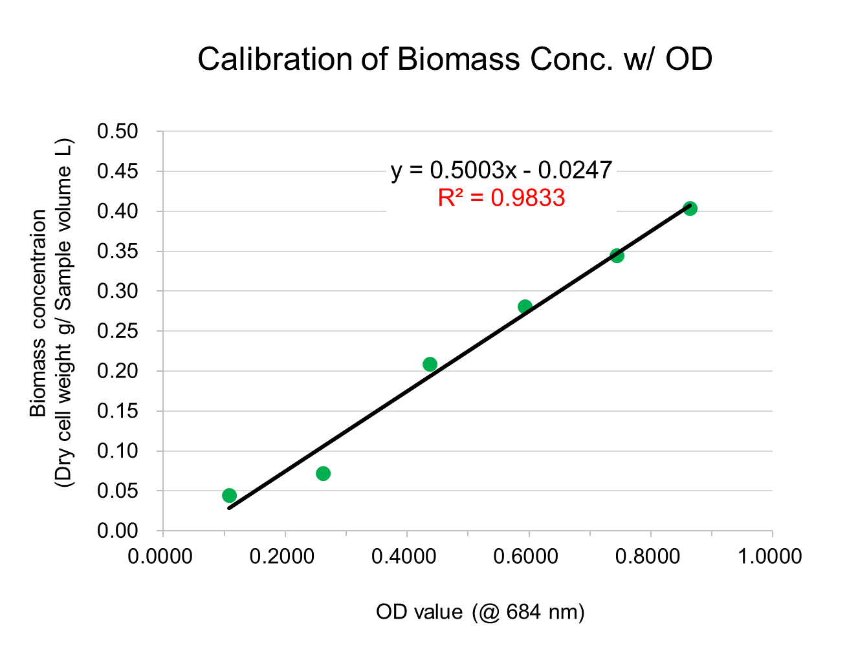
 |  |  |  |  |  |  |  | Reactor
 |  |  |  |  |  |  |  | Width | 25 | cm | 0.25 | m
 |  |  |  |  |  |  |  | Height | 25 | cm | 0.25 | m
 |  |  |  |  |  |  |  | Depth | 5 | cm | 0.05 | m
 |  |  |  |  |  |  |  |  |  | Volume | 0.003125 | m3
 |  |  |  |  |  |  |  |  |  | Volume | 1.5 | L
 |  |  |  |  |  |  |  |  |  | Surface | 0.015625 | m2
...
 |  |  |  |  |  |  |  | Flask
 |  |  |  |  |  |  |  | diameter | 8 | cm | 0.08 | m
 |  |  |  |  |  |  |  | radius | 4 | cm | 0.04 | m
 |  |  |  |  |  |  |  |  |  | Volume | 0.15 | L
 |  |  |  |  |  |  |  |  |  | Surface | 0.0050 | m2

Slope | 0.5003
y-intercept | -0.0247

Experiment | D+ | 0 | 1 | 3 | 5 | 7 | 9 | 11 | 13 |  | 0 | 1
 | Condition | Average OD value (cm-1) |  |  |  |  |  |  |  |  | Average OD value (cm-1)
pH | 3
 | 4 | 0.2569 | 0.3521 | 1.0714 | 3.9897 | 5.2270 | 7.8220 | 8.6188 | 9.4717 |  |  | 0.0952
...
 |  |  |  |  |  |  |  |  |  |  |  |  | 0.256 | 0.986 | 1.295 | 1.944 | 2.144 | 2.357
 |  |  |  |  |  |  |  |  |  |  |  |  | 0.198 | 0.824 | 0.887 | 1.357 | 1.743 | 1.923
 |  |  |  |  |  |  |  |  |  |  |  |  | 0.211 | 0.949 | 0.809 | 1.105 | 1.470 | 1.714
 |  |  |  |  |  |  |  |  |  |  |  |  | 0.201 | 0.745 | 0.584 | 1.023 | 1.522 | 1.850
 |  |  |  |  |  |  |  |  |  |  |  |  | 0.220 | 1.185 | 1.016 | 1.235 | 1.460 | 1.604
 |  |  |  |  |  |  |  |  |  |  |  |  | 0.305 | 0.929 | 0.781 | 1.007 | 1.605 | 1.645
 |  |  |  |  |  |  |  |  |  |  |  |  | 0.211 | 0.899 | 0.756 | 1.025 | 1.527 | 1.548

 |  |  |  |  |  |  |  |  |  |  |  |  | 3 | 5 | 7 | 9 | 11 | 13
...
1 | 14.54
3 | 24.54
5 | 94.62
7 | 124.33
9 | 186.65
11 | 205.78
13 | 226.26
 |  |  |  |  |  |  |  |  |  |  |  |  | 24.54 | 94.62 | 124.33 | 186.65 | 205.78 | 226.26
 |  |  |  |  |  |  |  |  |  |  |  |  | 18.97 | 79.07 | 85.19 | 130.23 | 167.29 | 184.65
 |  |  |  |  |  |  |  |  |  |  |  |  | 20.25 | 91.06 | 77.62 | 106.08 | 141.15 | 164.59
 |  |  |  |  |  |  |  |  |  |  |  |  | 19.32 | 71.48 | 56.05 | 98.24 | 146.13 | 177.65
 |  |  |  |  |  |  |  |  |  |  |  |  | 21.16 | 113.76 | 97.53 | 118.52 | 140.20 | 154.00
 |  |  |  |  |  |  |  |  |  |  |  |  | 29.24 | 89.22 | 74.94 | 96.63 | 154.06 | 157.92
 |  |  |  |  |  |  |  |  |  |  |  |  | 20.22 | 86.32 | 72.54 | 98.39 | 146.62 | 148.59

 |  |  |  |  |  |  |  |  |  |  |  |  | 3 | 5 | 7 | 9 | 11 | 13
...
 |  |  |  |  |  |  |  |  |  |  |  |  | 7.63 | 29.41 | 38.65 | 58.02 | 63.97 | 70.33
 |  |  |  |  |  |  |  |  |  |  |  |  | 5.90 | 24.58 | 26.48 | 40.48 | 52.00 | 57.40
 |  |  |  |  |  |  |  |  |  |  |  |  | 6.30 | 28.31 | 24.13 | 32.97 | 43.88 | 51.16
 |  |  |  |  |  |  |  |  |  |  |  |  | 6.00 | 22.22 | 17.42 | 30.54 | 45.42 | 55.22
 |  |  |  |  |  |  |  |  |  |  |  |  | 6.58 | 35.36 | 30.32 | 36.84 | 43.58 | 47.87
 |  |  |  |  |  |  |  |  |  |  |  |  | 9.09 | 27.73 | 23.30 | 30.04 | 47.89 | 49.09
 |  |  |  |  |  |  |  |  |  |  |  |  | 6.28 | 26.83 | 22.55 | 30.58 | 45.58 | 46.19
...

